Cover
Facility Planning and Control
PRELIMINARY PROGRAM FORM

CONTENTS: Refer to the tabs on the bottom of this screen to access all the pages associated with this form.
1) Preliminary Program Information - General overview of the project and its description
2) Utilities - This form is used to list all the current utilities on site and the utility suppliers/companies.
3) Eng. & Landscape - This form is to be completed for Engineering and Landscape Architect designer projects
4) Architectural - This form is to be completed for Architect designer projects

Please contact the Senior Project Manager for your agency for assistance with the program.
Cheryl Cloud, Senior Project Manager Cheryl.Cloud@LA.GOV 225-219-4422
Charles Funderburk, Senior Project Manager Charles.Funderburk@LA.GOV 225-219-4124
James Pugh, Senior Project Manager James.Pugh@LA.GOV 225-219-1129
David Poche, Senior Project Manager David.Poche@LA.GOV 504-568-8547
Roy Dowling, Senior Project Manager Roy.Dowling@LA.GOV 318-840-0803
Robert Mayard, Senior Project Manager Robert.Mayard@LA.GOV 337-262-5827
Main Office Address:
Facility Planning and Control
1201 N. 3rd Street
Baton Rouge, LA 70802
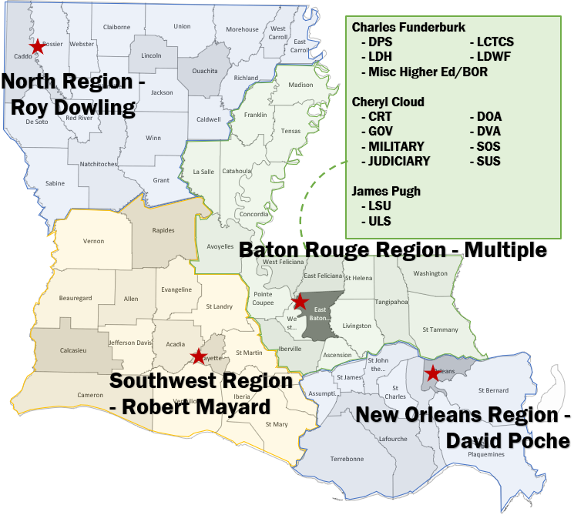

General Information:
* This form is to be submitted with any request for the selection of an architect, engineer or landscape architect (designer.) This form is meant to help the User Agency compile the required information for the designer's contract.

