Evaluation Factors
For the Competitive Proposal Method

Evaluation Factors | return Methods | return Solicitation

Evaluation Subjects: | to Determine: | Examples:
Qualifications | what the proposer peronnel are qualified to do- | Academic achievement, licenses, certifications and/or personnel experience of firm's personnel to be employed by this project
Experience | what has the proposer actually done- | firm's previous comparable projects by type, size and number,
Capabilities | what can the proposer do- | what and how many personnel and their qualification /specialties are available to perform the contract
Past Performance | how well has proposer done comparable work- | quantifiable measures proposer has performed previously
Approach Plan | that the objective, project description and scope of work all align;to project future performance | Proposers are asked for their recommendations on how to accomplish the "objective" implied in the program description

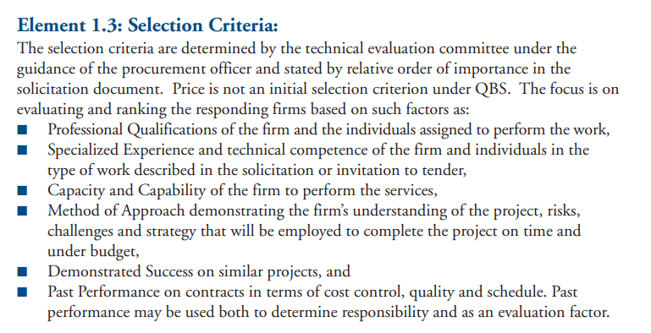

Eval Plan
For the Competitive Proposal Method |  | return Methods
EVALUATION PLAN COMPONENTS: | Explanation: | EXAMPLE
Evaluation Subject: | Identify the factor to be evaluated. | Proposer’s Capabilities: Measurement: Size of Staff by skill level
Evaluation criteria: | Identify what items will be evaluated. | Proposer’s personnel by job specialty and number
Rating Factor Rationale: | Explain the reason the factor is relevant to this contractor selection. | Assumes larger workforce available will be more responsive and timely in contract performance
Submission requirements: | Identify the items proposers must submit for factor evaluation. | Proposers will submit the job titles required for the project and the number of those employed in those job titles
Evaluation/Scoring basis: | Explain how the items will be evaluated and scored. | Proposers will be scored by the number job positions and number of incumbents by job title and be awarded scores on a comparative point basis

 |  |  |  |  |  |  |  | 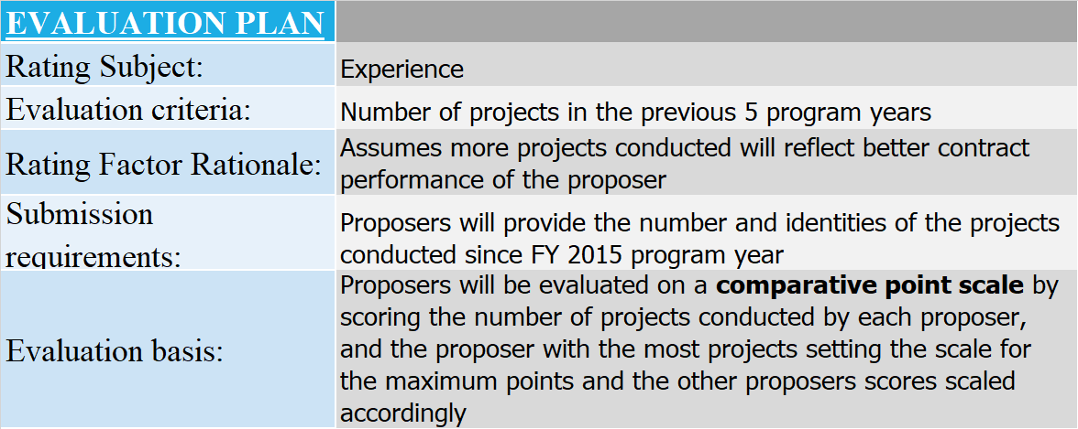

 |  |  |  | Proposer A |  | Proposer B | Proposer C
 |  |  |  | Projects by Program Year |  | Projects by Program Year | Projects by Program Year
 |  |  | FY | 2019 | 2 | 1 | 2
 |  |  | FY | 2018 | 4 | 2 | 1
 |  |  | FY | 2017 | 1 | 1 | 3
 |  |  | FY | 2016 | 3 | 2 | 2
 |  |  | FY | 2015 | 2 | 2 | 2
 |  |  |  |  | 12 | 8 | 10

 |  | Proposers will identify by job title the firm's personnel to be asigned to the project

